Voltage Sensor
Hardware parameters
Voltage Sensor LV 25P |  |  |  |  | Voltage Adapter
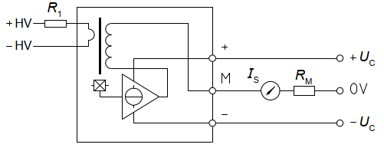
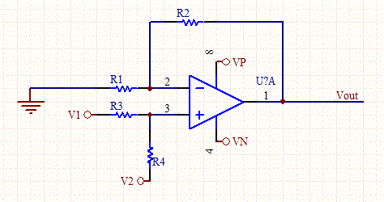

Components
R1 | 22 | kOhm |  |  | R1=R3 | 100 | kOhm
Rm | 195 | Ohm |  |  | R2=R4 | 24.6 | kOhm
 | (two 390 parallel) |  |  |  | v2 | 1.497 | V

Theoratical Calculation
V_input (V) | I_R1 (mA) | Is (mA) | V_Rm (V) | V_out (V)
-250 | -11.364 | -28.409 | -5.540 | 0.134
Max 250V

Voltage measuring and calibration |  |  |  |  |  |  |  | Calibration Shift
V_input(V) | V_out (V) | VPS1 (V) | VPS2 (V) | VPS3 (V) | diff VPS1 | diff VPS2 | diff VPS3 | vps1 | vps2 | vps3
-200 | 0.407 | 0.4260 | 0.4190 | 0.4190 | 0.019 | 0.012 | 0.012
-180 | 0.516 | 0.5340 | 0.5270 | 0.5280 | 0.018 | 0.011 | 0.012 | 0.002 | 0.000 | -0.004
-150 | 0.679 | 0.6930 | 0.6870 | 0.6880 | 0.014 | 0.008 | 0.009 | Calibration ratio
-130 | 0.788 | 0.8000 | 0.7950 | 0.7950 | 0.012 | 0.007 | 0.007 | 183.448
-100 | 0.952 | 0.963 | 0.958 | 0.957 | 0.011 | 0.006 | 0.005
-90 | 1.006 | 1.016 | 1.011 | 1.010 | 0.010 | 0.005 | 0.004
-80 | 1.061 | 1.071 | 1.067 | 1.065 | 0.010 | 0.006 | 0.004
-70 | 1.115 | 1.124 | 1.12 | 1.118 | 0.009 | 0.005 | 0.003
-60 | 1.170 | 1.177 | 1.174 | 1.172 | 0.007 | 0.004 | 0.002 | Calculation back to real value
-50 | 1.224 | 1.231 | 1.228 | 1.225 | 0.007 | 0.004 | 0.001 |  | VPS1 | VPS2 | VPS3
-40 | 1.279 | 1.285 | 1.282 | 1.279 | 0.006 | 0.003 | 0.000 | V_out | 2.22 | 2.22 | 2.22
-30 | 1.333 | 1.338 | 1.336 | 1.332 | 0.005 | 0.003 | -0.001 | V_cal_back | 132.21 | 132.60 | 133.32
-20 | 1.388 | 1.393 | 1.391 | 1.387 | 0.005 | 0.003 | -0.001
-10 | 1.442 | 1.446 | 1.444 | 1.44 | 0.004 | 0.002 | -0.002 | V_cal_back = (V_out-V_shift-V_ref)*Cali_ratio
0 | 1.497 | 1.498 | 1.495 | 1.492 | 0.001 | -0.002 | -0.005
10 | 1.552 | 1.55 | 1.549 | 1.544 | -0.002 | -0.003 | -0.008
20 | 1.606 | 1.603 | 1.602 | 1.597 | -0.003 | -0.004 | -0.009
30 | 1.661 | 1.658 | 1.657 | 1.652 | -0.003 | -0.004 | -0.009 | Note: Board-2 voltage shall not be applied above 140 V, otherwise accuracy will drop
40 | 1.715 | 1.711 | 1.71 | 1.705 | -0.004 | -0.005 | -0.010
50 | 1.770 | 1.765 | 1.764 | 1.759 | -0.005 | -0.006 | -0.011
60 | 1.824 | 1.819 | 1.818 | 1.812 | -0.005 | -0.006 | -0.012
70 | 1.879 | 1.873 | 1.873 | 1.866 | -0.006 | -0.006 | -0.013
80 | 1.933 | 1.925 | 1.926 | 1.919 | -0.008 | -0.007 | -0.014
90 | 1.988 | 1.98 | 1.981 | 1.974 | -0.008 | -0.007 | -0.014
100 | 2.042 | 2.033 | 2.034 | 2.027 | -0.009 | -0.008 | -0.015
130 | 2.206 | 2.195 | 2.198 | 2.188 | -0.011 | -0.008 | -0.018
140 | 2.260 | 2.249 | 2.252 | 2.242 | -0.011 | -0.008 | -0.018
average |  |  |  |  | 0.00233 | 0.00018 | -0.00374

Current Sensor
Hardware Parameters
Current Sensor LA 55P |  |  |  |  | Voltage Adapter
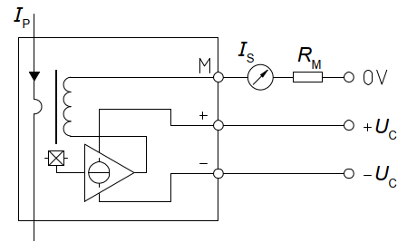

Components
Rm | 135 | Ohm | (two 270 parallel) |  |  | R1=R3 | 100 | kOhm
 |  |  |  |  |  | R2=R4 | 26.1 | kOhm
 |  |  |  |  |  | v2 | 1.497 | V
turns | 2

Theoratical Calculation
 | I_meas (A) |  | Ip (A) |  | Is (mA) | V_Rm (V) | V_out (V)
 | -20.000 |  | -40.000 |  | -40.000 | -5.400 | 0.088
 | Current/turn |  | Total current through sensor
 | Max 20A

Voltage measuring and calibration
I_input (A) |  | V_out (V) | IPS1 (V) | IPS2 (V) | IPS3 (V) | diff IPS1 | diff IPS2 | diff IPS3
11.000 |  | 2.272 | 2.262 | 2.268 | 2.271 | -0.010 | -0.004 | -0.001
10.000 |  | 2.202 | 2.191 | 2.197 | 2.200 | -0.011 | -0.005 | -0.002
9.000 |  | 2.131 | 2.121 | 2.127 | 2.130 | -0.010 | -0.004 | -0.001
8.000 |  | 2.061 | 2.051 | 2.058 | 2.061 | -0.010 | -0.003 | 0.000
7.000 |  | 1.990 | 1.981 | 1.987 | 1.991 | -0.009 | -0.003 | 0.001
6.000 |  | 1.920 | 1.911 | 1.917 | 1.920 | -0.009 | -0.003 | 0.000
5.000 |  | 1.849 | 1.84 | 1.846 | 1.850 | -0.009 | -0.003 | 0.001
4.000 |  | 1.779 | 1.77 | 1.776 | 1.779 | -0.009 | -0.003 | 0.000
3.000 |  | 1.708 | 1.7 | 1.706 | 1.709 | -0.008 | -0.002 | 0.001
2.000 |  | 1.638 | 1.629 | 1.635 | 1.639 | -0.009 | -0.003 | 0.001
1.000 |  | 1.567 | 1.559 | 1.565 | 1.569 | -0.008 | -0.002 | 0.002
0.000 |  | 1.497 | 1.488 | 1.495 | 1.498 | -0.009 | -0.002 | 0.001
-1.000 |  | 1.427 | 1.417 | 1.423 | 1.426 | -0.010 | -0.004 | -0.001
-2.000 |  | 1.356 | 1.347 | 1.353 | 1.356 | -0.009 | -0.003 | 0.000
-3.000 |  | 1.286 | 1.277 | 1.282 | 1.285 | -0.009 | -0.004 | -0.001
-4.000 |  | 1.215 | 1.206 | 1.212 | 1.215 | -0.009 | -0.003 | 0.000
-5.000 |  | 1.145 | 1.136 | 1.142 | 1.145 | -0.009 | -0.003 | 0.000
-6.000 |  | 1.074 | 1.065 | 1.071 | 1.075 | -0.009 | -0.003 | 0.001
-7.000 |  | 1.004 | 0.995 | 1.001 | 1.004 | -0.009 | -0.003 | 0.000
-8.000 |  | 0.933 | 0.925 | 0.931 | 0.934 | -0.008 | -0.002 | 0.001
-9.000 |  | 0.863 | 0.855 | 0.861 | 0.864 | -0.008 | -0.002 | 0.001
-10.000 |  | 0.792 | 0.785 | 0.791 | 0.794 | -0.007 | -0.001 | 0.002
-11.000 |  | 0.722 | 0.714 | 0.721 | 0.724 | -0.008 | -0.001 | 0.002
average |  |  |  |  |  | -0.00896 | -0.00287 | 0.00035

 |  |  |  |  |  |  |  |  | Calibration Shift
 |  |  |  |  |  |  |  |  | IPS1 | IPS2 | IPS3
 |  |  |  |  |  |  |  |  | -0.01 | 0.00 | 0.00

 |  |  |  |  |  |  |  |  | Cali ratio
 |  |  |  |  |  |  |  |  | 14.190

 |  |  |  |  |  |  |  |  | Calculation back to real value
 |  |  |  |  |  |  |  |  |  | IPS1 | IPS2 | IPS3
 |  |  |  |  |  |  |  |  | V_out | 1.706
 |  |  |  |  |  |  |  |  | I_cal_back | 3.093
 |  |  |  |  |  |  |  |  | I_cal_back = (V_out-V_shift-V_ref)*Cali_ratio

 |  |  |  |  |  |  |  |  | Note: Board-2 current for sensor shall not be applied above 11 A, otherwise accuracy will drop

